Graphics
Graphics

Worcester Community GHG Emissions Trends, 2009 & 2019
 | 2009 | 2019
Residential Buildings | 492,659 | 457,434
Commercial Buildings | 782,031 | 705,243
On-road Transportation | 414,446 | 485,273
Solid Waste | 150,241 | 137,456

Worcester Community GHG Emissions Intensity Benchmarks, 2009 & 2019 |  |  |  | Massachusetts (2017) | MMTCO2E | MTCO2e |  |  |  | Boston (2019) | MMTCO2E | MTCO2e |  |  | Worcester (2009) | MTCO2e
 |  |  |  | Energy Total | 68.20 | 68,200,000.00 |  |  |  | Buildings | 4.3 | 4,300,000.00 | 6.1959654179 | MtCO2e/Capita | Buildings | 1,274,690 | 7.04 | Worcester (2009) | 10.2
 |  |  |  | CO2e from Fossil Fuel Combustion | 67.50 | 67,500,000.00 |  |  |  | Commercial | 3.1 | 3,100,000.00 |  |  | Trasportation | 414,446 | 2.29 | Massachusetts (2017) | 10.6 | https://www.mass.gov/doc/statewide-greenhouse-gas-ghg-emissions-baseline-projection-update-including-appendices-a-b/download
 |  |  |  | Building Consumption | 23.30 | 23,300,000.00 | 5.49 | MtCO2e/Capita |  | Residential | 1.1 | 1,100,000.00 |  |  |  |  |  | Worcester (2019) | 9.7 | https://www.boston.gov/departments/environment/bostons-carbon-emissions
 |  |  |  | Electricity Consumption | 13.60 | 13,600,000.00 |  |  |  | Transportation | 1.9 | 1,900,000.00 | 2.7377521614 | MtCO2e/Capita | Worcester (2019) | MTCO2e |  | Boston (2018) | 9.2
 |  |  |  | Mobile Combustion | 30.50 | 30,500,000.00 | 4.49 | MtCO2e/Capita |  | Total | 6.2 | 6,200,000.00 |  |  | Buildings | 1,162,676 | 6.27 |  | -5%
 |  |  |  | Natural Gas Systems | 0.38 | 380,000.00 |  |  |  |  | Population | 694,000.00 | https://www.boston.gov/sites/default/files/file/2021/10/City%20of%20Boston%202005-2019%20GHG%20Inventory%20Report.pdf |  | Trasportation | 485,273 | 2.62
 |  |  |  | Industrial Processes | 3.80 | 3,800,000.00
 |  |  |  | Agriculture & Land Use | 0.2 | 200,000.00
 |  |  |  | Waste | 0.8 | 800,000.00
 |  |  |  | Gross Emissions | 73 | 73,000,000.00
 |  |  |  | https://www.mass.gov/lists/massdep-emissions-inventories#greenhouse-gas-baseline,-inventory-&-projection-
 |  |  |  | Population: | 6,789,319.00
 |  |  |  | https://www.opendatanetwork.com/entity/0400000US25/Massachusetts/demographics.population.count?year=2018

 |  |  |  |  | Building Emissions per Capita | Vehicle Emissions Per Capita
 |  |  |  | Massachusetts (2017) | 5.5 | 4.5
 |  |  |  | Boston (2019) | 6.2 | 2.7
 |  |  |  | Worcester (2009) | 7.0 | 2.3
 |  |  |  | Worcester (2019) | 6.3 | 2.6

Massachusetts (2017) Emissions Compared to Worcester (2019) Community Emissions by Sector

 |  |  |  | GHG Emissions (MTCO2e) by Sector | 418,237 | 490,119
 |  |  |  | Sectors | 2009 | 2019 |  |  | State of MA | Worcester
 |  |  |  | Purchased Electricity | 545,036 | 359,446 |  | Building Consumption | 23,300,000.00 | 803,631
 |  |  |  | Residential Buildings | 331,211 | 337,146 |  | Electricity Consumption | 13,600,000.00 | 359,446
 |  |  |  | Commercial Buildings | 398,444 | 466,485 |  | Mobile Combustion | 30,500,000.00 | 490,119
 |  |  |  | On-road Transportation | 414,446 | 484,872 |  | Waste | 800,000.00 | 137,456
 |  |  |  | Off-Road Transportation | 3,791 | 5,247 |  | Other | 4,380,000.00 | 3,067
 |  |  |  | Solid Waste | 150,241 | 137,456 |  | Building Energy | 32% | 45%
 |  |  |  | Water Treatment and Delivery | 2,180 | 1,501 |  | Electricity Use/Production | 19% | 20%
 |  |  |  | Wastewater Treatment | 1,529 | 1,566 |  | Mobile Combustion | 42% | 27%
 |  |  |  | Grand Total | 1,846,877 | 1,793,719 |  | Waste | 1% | 8%
 |  |  |  |  |  |  |  | Other | 6% | 0%

Buildings Emissions, 2019

Residential Buildings | 457,434
Commercial Buildings | 705,243
On-road Transportation | 485,273
Off-Road Transportation | 5,247
Solid Waste | 137,456
Water Treatment and Delivery | 1,501
Wastewater Treatment | 1,566

 | Natural Gas | Electricity | Fugitive Natural Gas | Oil | Propane
Residential | 192,760 | 161,448 | 57,422 | 79,299 | 1
Residential | 209,346 | 120,288 | 62,363 | 63,708
Commercial | 297,536 | 383,587 | 88,635 | 12,272
Commercial | 349,617 | 238,758 | 104,150 | 12,718
Building Emissions by Source, 2009-2019 |  |  |  |  | 2009 | 2019 | 2009 | 2019 | 2009 | 2019
 |  |  |  |  | Residential | Residential | Commercial | Commercial | Combined | Combined
 |  |  |  | Natural Gas | 192,760 | 209,346 | 297,536 | 349,617 | 490,296 | 558,963 | 38% | 48%
 |  |  |  | Electricity | 161,448 | 120,288 | 383,587 | 238,758 | 545,036 | 359,046 | 43% | 31%
 |  |  |  | Fugitive Natural Gas | 57,422 | 62,363 | 88,635 | 104,150 | 146,057 | 166,513 | 11% | 14%
 |  |  |  | Oil | 79,299 | 63,708 | 12,272 | 12,718 | 91,571 | 76,426 | 7% | 7%
 |  |  |  | Propane | 1,729 | 1,729 | - |  | 1,729 | 1,729 | 0% | 0%
 |  |  |  |  |  |  |  |  | 1,274,690 | 1,162,676

Residential Energy User per Household, 2009-2019 |  |  |  | Households | 68,249 | 71,595 | 5%

 |  |  |  | Residential energy use | 6,195,046 | 6,257,236
 |  |  |  | Residential energy use per household | 90.8 | 87.4 | -4%
 |  |  |  | Residential emissions per household | 7.2 | 6.4 | -11%

 |  |  |  | VMT per capita | 4,429 | 5,181 | 17%
 |  |  |  | Waste per capita | 479 | 466 | -3%

 |  |  |  |  | 2009 | 2019
 |  |  |  | Natural Gas per Household | 53.2 | 55.1 | 4%
 |  |  |  | Electricity per Household | 21 | 20 | -7%
 |  |  |  | Propane per Household | 0 | 0 | -5%
 |  |  |  | Oil per Household | 16 | 12 | -23%
 |  |  |  | National Average | 77.1 | 77.1 | https://www.eia.gov/consumption/residential/data/2015/c&e/pdf/ce3.1.pdf
 |  |  |  | New England Average | 97.3 | 97.3 | https://www.eia.gov/consumption/residential/data/2015/c&e/pdf/ce3.1.pdf

 | Passenger cars | Light trucks | Heavy trucks | Transit Buses | Electric Vehicles
2009 | 193,340 | 147,180 | 68,586 | 5,341
2019 | 224,328 | 173,307 | 82,170 | 5,068 | 401
Residential Buildings | 492,659
Commercial Buildings | 782,031
On-road Transportation | 414,446
Off-Road Transportation | 3,791
Solid Waste | 150,241
Water Treatment and Delivery | 2,180
Wastewater Treatment | 1,529
Transportation Emissions, 2019
 |  |  |  |  |  |  |  | On-Road Transportation
 |  |  |  |  |  |  |  | Passenger cars | 193,340 | 224,328
 |  |  |  |  |  |  |  | Light trucks | 147,180 | 173,307
 |  |  |  |  |  |  |  | Heavy trucks | 68,586 | 82,170
 |  |  |  |  |  |  |  | Transit Buses | 5,341 | 5,068
 |  |  |  |  |  |  |  | Electric Vehicles |  | 401

Carbon Intensity of Travel Modes |  |  |  | Combustion Cars* | 0.41
 |  |  |  | WRTA** | 0.36 | https://www.transit.dot.gov/sites/fta.dot.gov/files/transit_agency_profile_doc/2019/10014.pdf
 |  |  |  | Commuter Rail** | 0.14
 |  |  |  | EV* | 0.09

 |  |  |  | Mode | 2009 | 2019 | % Increase
 |  |  |  | Passenger Vehicles* | 801,849,627 | 943,133,515 | 18%
 |  |  |  | Heavy Duty Trucks* | 45,771,543 | 54,837,063 | 20%
 |  |  |  | Electric Vehicles * | 0 | 13,201,515 | N/A
 |  |  |  | WRTA Bus** | 9,611,835 | 14,111,090 | 47%
 |  |  |  | Commuter Rail** | 10,963,368 | 14,916,616 | 36%

 |  |  |  | * Vehicle Miles
 |  |  |  | ** Passenger Miles

Other Emissions, 2019

Residential Buildings | 457,434
Commercial Buildings | 705,243
On-road Transportation | 485,273
Off-Road Transportation | 5,247
Solid Waste | 137,456
Water Treatment and Delivery | 1,501
Wastewater Treatment | 1,566
 |  |  | DCU Center Size | 110,000 sq. ft | https://www.cvent.com/venues/worcester/convention-center/dcu-center/venue-3cb48eb3-6463-45fa-a362-a81790a3d782
 |  |  |  | 2.3 Acres

Emissions from Waste & Water Activities, 2009 & 2019

 | MSW Incinerated | Landfill Waste In Place | Yard Waste Biological Treatment | Wastewater Process | Water Treatment and Delivery
2009 | 99,510 | 46,777 | 3,954 | 1,529 | 2,180
2019 | 107,049 | 26,454 | 3,954 | 1,566 | 1,501

EQUIVALENCIES

9904 | Railcars of Coal | EPA METRIC
60 | feet per rail car (average jumbo hopper) | https://www.csx.com/index.cfm/customers/resources/equipment/railroad-equipment/
594,240 | Feet of train
112.55 | Miles of train
43.2 | Miles to Boston (shortest distance, Rt9->90) | https://www.google.com/maps/dir/Boston,+MA/Worcester,+MA/@42.2850185,-71.5692202,11z/data=!4m15!4m14!1m5!1m1!1s0x89e3652d0d3d311b:0x787cbf240162e8a0!2m2!1d-71.0588801!2d42.3600825!1m5!1m1!1s0x89e406585a2a8b0d:0x9e137dd87fca4d6d!2m2!1d-71.8022934!2d42.2625932!3e0!5i2
2.61 | Trips

2122751 | Acres of forestes for one year | EPA METRIC
6761500 | MA in Acres
0.31394675738

2019 On-Road
https://gis.massdot.state.ma.us/DataViewers/vmt/
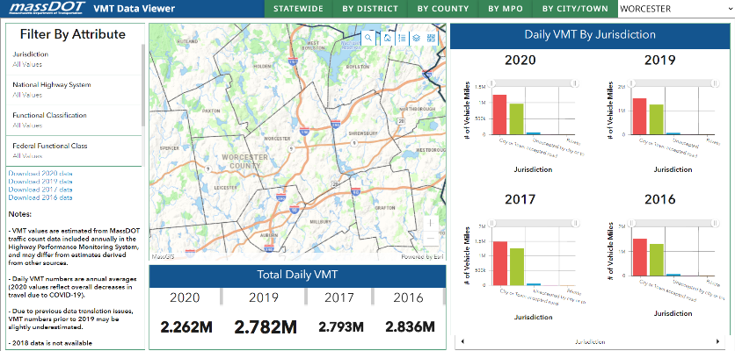

Data Download Direct Link: https://geo-massdot.opendata.arcgis.com/datasets/vmt-2019/explore?location=42.060550%2C-71.715500%2C8.75&showTable=true

OBJECTID | Route_ID | From_Measu | To_Measure | AADT | Jurisdictn | F_Class | F_F_Class | Urban_Area | Urban_Type | NHS | Fd_Aid_Rd | Control | Facility | Mile_Count | City | County | Hwy_Dist | MPO | Priority | Length | VMT | Shape
21 | I190 NB | -0.00000003 | 0.1973 | 77409 | 1 | 1 | 1 | 97291 | 1 | 1 | 1 | 1 | 1 | 1 | 348 | 27 | 3 | Central Massachusetts | 1 | 0.19730003 | 15273
22 | I190 NB | 0.1973 | 0.6029 | 77409 | 1 | 1 | 1 | 97291 | 1 | 1 | 1 | 1 | 1 | 1 | 348 | 27 | 3 | Central Massachusetts | 1 | 0.4056 | 31397
23 | I190 NB | 0.6029 | 0.7755 | 74428 | 1 | 1 | 1 | 97291 | 1 | 1 | 1 | 1 | 1 | 1 | 348 | 27 | 3 | Central Massachusetts | 1 | 0.1726 | 12846
24 | I190 NB | 0.7755 | 1.4226 | 70203 | 1 | 1 | 1 | 97291 | 1 | 1 | 1 | 1 | 1 | 1 | 348 | 27 | 3 | Central Massachusetts | 1 | 0.6471 | 45428
25 | I190 NB | 1.4226 | 1.8006 | 64918 | 1 | 1 | 1 | 97291 | 1 | 1 | 1 | 1 | 1 | 1 | 348 | 27 | 3 | Central Massachusetts | 1 | 0.378 | 24539
26 | I190 NB | 1.8006 | 2.7989 | 56716 | 1 | 1 | 1 | 97291 | 1 | 1 | 1 | 1 | 1 | 1 | 348 | 27 | 3 | Central Massachusetts | 1 | 0.9983 | 56620
27 | I190 NB | 2.7989 | 3.1157 | 48879 | 1 | 1 | 1 | 97291 | 1 | 1 | 1 | 1 | 1 | 1 | 348 | 27 | 3 | Central Massachusetts | 1 | 0.3168 | 15485
28 | I190 NB | 3.1157 | 3.7848956 | 37233 | 1 | 1 | 1 | 97291 | 1 | 1 | 1 | 1 | 1 | 1 | 348 | 27 | 3 | Central Massachusetts | 1 | 0.6691956 | 24916
58 | I190-DUP NB | -0.00000003 | 0.55317799 | 9712 | 1 | 1 | 1 | 97291 | 1 | 1 | 1 | 1 | 1 | 1 | 348 | 27 | 3 | Central Massachusetts | 1 | 0.55317802 | 5372
165 | I290 EB | 2.9561 | 3.2126 | 94154 | 1 | 1 | 1 | 97291 | 1 | 1 | 1 | 1 | 1 | 1 | 348 | 27 | 3 | Central Massachusetts | 1 | 0.2565 | 24151
166 | I290 EB | 3.2126 | 3.5017802 | 94154 | 1 | 1 | 1 | 97291 | 1 | 1 | 1 | 1 | 1 | 1 | 348 | 27 | 3 | Central Massachusetts | 1 | 0.2891802 | 27227
167 | I290 EB | 3.5017802 | 3.5627 | 94154 | 1 | 1 | 1 | 97291 | 1 | 1 | 1 | 1 | 1 | 1 | 348 | 27 | 3 | Central Massachusetts | 1 | 0.0609198 | 5736
168 | I290 EB | 3.5627 | 4.2344 | 97465 | 1 | 1 | 1 | 97291 | 1 | 1 | 1 | 1 | 1 | 1 | 348 | 27 | 3 | Central Massachusetts | 1 | 0.6717 | 65467
169 | I290 EB | 4.2344 | 4.9699 | 127913 | 1 | 1 | 1 | 97291 | 1 | 1 | 1 | 1 | 1 | 1 | 348 | 27 | 3 | Central Massachusetts | 1 | 0.7355 | 94080
170 | I290 EB | 4.9699 | 4.9699149 | 145474 | 1 | 1 | 1 | 97291 | 1 | 1 | 1 | 1 | 1 | 1 | 348 | 27 | 3 | Central Massachusetts | 1 | 0.0000149 | 2
171 | I290 EB | 4.9699149 | 5.046 | 145474 | 1 | 1 | 1 | 97291 | 1 | 1 | 1 | 1 | 1 | 1 | 348 | 27 | 3 | Central Massachusetts | 1 | 0.0760851 | 11068
172 | I290 EB | 5.046 | 5.4517 | 144751 | 1 | 1 | 1 | 97291 | 1 | 1 | 1 | 1 | 1 | 1 | 348 | 27 | 3 | Central Massachusetts | 1 | 0.4057 | 58725
173 | I290 EB | 5.4517 | 5.6809 | 143799 | 1 | 1 | 1 | 97291 | 1 | 1 | 1 | 1 | 1 | 1 | 348 | 27 | 3 | Central Massachusetts | 1 | 0.2292 | 32959
174 | I290 EB | 5.6809 | 5.7398 | 143367 | 1 | 1 | 1 | 97291 | 1 | 1 | 1 | 1 | 1 | 1 | 348 | 27 | 3 | Central Massachusetts | 1 | 0.0589 | 8444
175 | I290 EB | 5.7398 | 5.8018 | 143185 | 1 | 1 | 1 | 97291 | 1 | 1 | 1 | 1 | 1 | 1 | 348 | 27 | 3 | Central Massachusetts | 1 | 0.062 | 8877
176 | I290 EB | 5.8018 | 5.926 | 142906 | 1 | 1 | 1 | 97291 | 1 | 1 | 1 | 1 | 1 | 1 | 348 | 27 | 3 | Central Massachusetts | 1 | 0.1242 | 17749
177 | I290 EB | 5.926 | 6.3391 | 138816 | 1 | 1 | 1 | 97291 | 1 | 1 | 1 | 1 | 1 | 1 | 348 | 27 | 3 | Central Massachusetts | 1 | 0.4131 | 57345
178 | I290 EB | 6.3391 | 6.8715 | 145069 | 1 | 1 | 1 | 97291 | 1 | 1 | 1 | 1 | 1 | 1 | 348 | 27 | 3 | Central Massachusetts | 1 | 0.5324 | 77235
179 | I290 EB | 6.8715 | 7.3682 | 145069 | 1 | 1 | 1 | 97291 | 1 | 1 | 1 | 1 | 1 | 1 | 348 | 27 | 3 | Central Massachusetts | 1 | 0.4967 | 72056
180 | I290 EB | 7.3682 | 8.0921 | 120309 | 1 | 1 | 1 | 97291 | 1 | 1 | 1 | 1 | 1 | 1 | 348 | 27 | 3 | Central Massachusetts | 1 | 0.7239 | 87092
181 | I290 EB | 8.0921 | 8.6591 | 94122 | 1 | 1 | 1 | 97291 | 1 | 1 | 1 | 1 | 1 | 1 | 348 | 27 | 3 | Central Massachusetts | 1 | 0.567 | 53367
182 | I290 EB | 8.6591 | 9.169 | 88958 | 1 | 1 | 1 | 97291 | 1 | 1 | 1 | 1 | 1 | 1 | 348 | 27 | 3 | Central Massachusetts | 1 | 0.5099 | 45360
183 | I290 EB | 9.169 | 9.7811633 | 88958 | 1 | 1 | 1 | 97291 | 1 | 1 | 1 | 1 | 1 | 1 | 348 | 27 | 3 | Central Massachusetts | 1 | 0.6121633 | 54457
1633 | L030100 EB | -0.00000003 | 0.32448284 | 682 | 7 | 0 | 7 | 97291 | 1 | 0 | 0 | 0 | 1 | 1 | 348 | 27 | 3 | Central Massachusetts | 1 | 0.32448287 | 221
2025 | L071748 NB | -0.00000003 | 0.00150058 | 682 | 2 | 0 | 7 | 97291 | 1 | 0 | 0 | 0 | 1 | 1 | 348 | 27 | 3 | Central Massachusetts | 1 | 0.00150061 | 1
2026 | L071748 NB | 0.00150058 | 0.03532597 | 682 | 0 | 0 | 7 | 97291 | 1 | 0 | 0 | 0 | 1 | 1 | 348 | 27 | 3 | Central Massachusetts | 1 | 0.03382539 | 23
2299 | L106495 EB | -0.00000003 | 0.16216113 | 682 | 0 | 0 | 7 | 97291 | 1 | 0 | 0 | 0 | 1 | 1 | 348 | 27 | 3 | Central Massachusetts | 1 | 0.16216116 | 111
2312 | L106508 NB | -0.00000003 | 0.0579416 | 682 | 0 | 0 | 7 | 97291 | 1 | 0 | 0 | 0 | 1 | 1 | 348 | 27 | 3 | Central Massachusetts | 1 | 0.05794163 | 40
2394 | L106586 EB | -0.00000003 | 0.10649887 | 682 | 2 | 0 | 7 | 97291 | 1 | 0 | 0 | 0 | 1 | 1 | 348 | 27 | 3 | Central Massachusetts | 1 | 0.1064989 | 73
2401 | L106592 NB | -0.00000003 | 0.30079224 | 682 | 0 | 0 | 7 | 97291 | 1 | 0 | 0 | 0 | 1 | 1 | 348 | 27 | 3 | Central Massachusetts | 1 | 0.30079227 | 205
2403 | L106594 EB | -0.00000003 | 0.08074327 | 682 | 2 | 0 | 7 | 97291 | 1 | 0 | 0 | 0 | 1 | 1 | 348 | 27 | 3 | Central Massachusetts | 1 | 0.0807433 | 55
2505 | L106681 EB | -0.00000003 | 0.05780043 | 682 | 2 | 0 | 7 | 97291 | 1 | 0 | 0 | 0 | 1 | 1 | 348 | 27 | 3 | Central Massachusetts | 1 | 0.05780046 | 39
2535 | L106708 EB | -0.00000003 | 0.12793004 | 682 | 2 | 0 | 7 | 97291 | 1 | 0 | 0 | 0 | 1 | 1 | 348 | 27 | 3 | Central Massachusetts | 1 | 0.12793007 | 87
2547 | L106719 EB | -0.00000003 | 0.21322636 | 682 | 2 | 0 | 7 | 97291 | 1 | 0 | 0 | 0 | 1 | 1 | 348 | 27 | 3 | Central Massachusetts | 1 | 0.21322639 | 145
2564 | L106735 NB | -0.00000003 | 0.0305454 | 682 | 0 | 0 | 7 | 97291 | 1 | 0 | 0 | 0 | 1 | 1 | 348 | 27 | 3 | Central Massachusetts | 1 | 0.03054543 | 21
2605 | L106767 EB | -0.00000003 | 0.07364934 | 682 | 0 | 0 | 7 | 97291 | 1 | 0 | 0 | 0 | 1 | 1 | 348 | 27 | 3 | Central Massachusetts | 1 | 0.07364937 | 50
2638 | L106792 NB | -0.00000003 | 0.22440344 | 682 | 2 | 0 | 7 | 97291 | 1 | 0 | 0 | 0 | 1 | 1 | 348 | 27 | 3 | Central Massachusetts | 1 | 0.22440347 | 153
2640 | L106794 EB | -0.00000003 | 0.10799121 | 682 | 2 | 0 | 7 | 97291 | 1 | 0 | 0 | 0 | 1 | 1 | 348 | 27 | 3 | Central Massachusetts | 1 | 0.10799124 | 74
2645 | L106798 EB | -0.00000003 | 0.01398372 | 682 | 0 | 0 | 7 | 97291 | 1 | 0 | 0 | 0 | 1 | 1 | 348 | 27 | 3 | Central Massachusetts | 1 | 0.01398375 | 10
2646 | L106798 EB | 0.01398372 | 0.04880305 | 682 | 2 | 0 | 7 | 97291 | 1 | 0 | 0 | 0 | 1 | 1 | 348 | 27 | 3 | Central Massachusetts | 1 | 0.03481933 | 24
2657 | L106808 NB | -0.00000003 | 0.04327833 | 682 | 0 | 0 | 7 | 97291 | 1 | 0 | 0 | 0 | 1 | 1 | 348 | 27 | 3 | Central Massachusetts | 1 | 0.04327836 | 30
...

Commercial Generation
...
 | Establishments | Total Wages | Average Employment | Average Weekly Wage | Annual Disposed Tons |  | Group Name | Disposed Rate
 | 218 | $191,286,073 | 4943 | $744 | 3,658 |  | Services - Management, Administrative, Support & Social | 0.74
 | 91 | $1,053,584,012 | 16053 | $1,262 | 6,903 |  | Services - Professional, Technical, & Financial | 1.86
 | 3871 | $2,108,735,291 | 33234 | $1,220 | 22,267 |  | Services - Repair & personal | 0.04
 | 52 | $27,926,300 | 819 | $656 | 2,097 |  | Not Elsewhere Classified | 0.5
 | 448 | $124,518,684 | 5248 | $456 | 12,595 |  | https://www2.calrecycle.ca.gov/WasteCharacterization/PubExtracts/2014/GenSummary.pdf
 | 399 | $93,084,432 | 2422 | $739 | 1,792 |  | https://lmi.dua.eol.mass.gov/lmi/MunicipalEmploymentData/LmiTown?A=000093
 | 105 | $320,262,249 | 3907 | $1,576 | 1,250
Labor Market Information - Municipal Employment Data - Worcester 2020 AVERAGE EMPLOYMENT AND WAGES BY INDUSTRY ALL OWNERSHIP |  |  |  |  | 89,947 | 2019
Source: https://lmi.dua.eol.mass.gov/lmi/MunicipalEmploymentData/LmiTown?A=000501
Cross refereneced against Longitudinal Employer Household Dynamics Survery and found good alignmnet for number of primary jobs (98380 in 2019) | https://onthemap.ces.census.gov/ |  |  |  | 81,554.27 | 2009
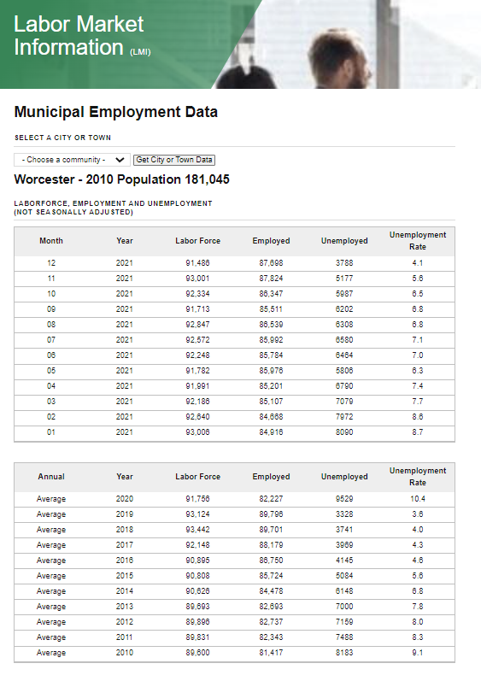

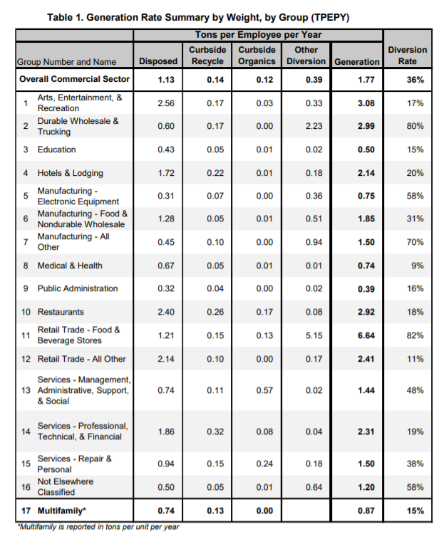

 |  |  |  |  |  |  |  |  | 2019 | 89796
 |  |  |  |  |  |  |  |  | 2010 | 81417

 |  |  |  |  |  |  |  |  | Employment Growth | 0.09331150608

Greenwood Landfill
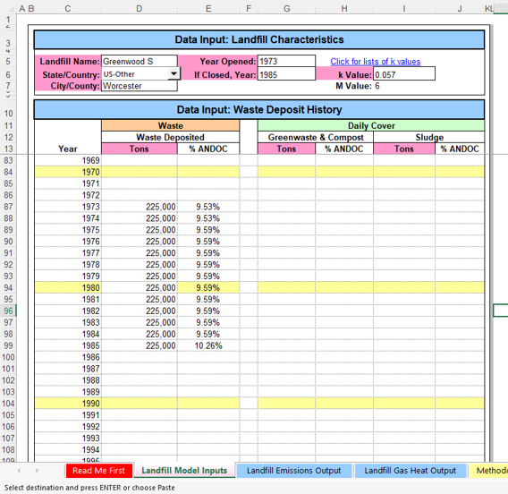
Updated Inputs

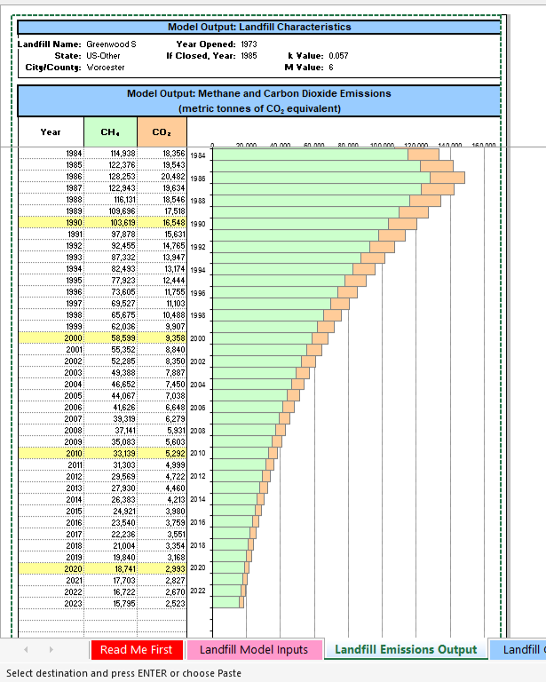
 |  | CH4 - MTCO2e | CO2 - MTCO2e | CH4 Raw | Direct outputs use GWP of 21 for methane. Removed to align with other final calculations
 | 1973 | 1733.3584138 | 276.81584207 | 83
 | 1974 | 13576.01277 | 2168.0775176 | 646 | CO2 here is biogenic
 | 1975 | 26441.016928 | 4222.6075736 | 1,259
 | 1976 | 38650.783255 | 6172.4967138 | 1,841
 | 1977 | 50193.467997 | 8015.8535009 | 2,390
 | 1978 | 61096.619549 | 9757.0773898 | 2,909
 | 1979 | 71395.671842 | 11401.827149 | 3,400
 | 1980 | 81124.095559 | 12955.448016 | 3,863
 | 1981 | 90313.506906 | 14422.989074 | 4,301
 | 1982 | 98993.770365 | 15809.219654 | 4,714
 | 1983 | 107193.09575 | 17118.644838 | 5,104
 | 1984 | 114938.12988 | 18355.520102 | 5,473
 | 1985 | 122375.77326 | 19543.305327 | 5,827
 | 1986 | 128253.16107 | 20481.919086 | 6,107
 | 1987 | 122942.505 | 19633.811897 | 5,854
 | 1988 | 116130.7611 | 18545.982277 | 5,530
 | 1989 | 109696.4282 | 17518.424869 | 5,224
 | 1990 | 103618.59551 | 16547.800236 | 4,934
 | 1991 | 97877.510795 | 15630.953964 | 4,661
 | 1992 | 92454.516221 | 14764.906413 | 4,403
 | 1993 | 87331.987708 | 13946.843033 | 4,159
 | 1994 | 82493.277655 | 13174.105215 | 3,928
 | 1995 | 77922.660836 | 12444.181655 | 3,711
 | 1996 | 73605.283295 | 11754.70019 | 3,505
 | 1997 | 69527.114074 | 11103.420086 | 3,311
 | 1998 | 65674.899615 | 10488.224763 | 3,127
 | 1999 | 62036.120682 | 9907.1149096 | 2,954
 | 2000 | 58598.951683 | 9358.2019881 | 2,790
 | 2001 | 55352.222231 | 8839.7020979 | 2,636
 | 2002 | 52285.380846 | 8349.9301767 | 2,490
 | 2003 | 49388.460661 | 7887.2945245 | 2,352
 | 2004 | 46652.047036 | 7450.2916312 | 2,222
 | 2005 | 44067.246954 | 7037.5012899 | 2,098
 | 2006 | 41625.660126 | 6647.5819816 | 1,982
 | 2007 | 39319.351688 | 6279.2665154 | 1,872
 | 2008 | 37140.826416 | 5931.3579104 | 1,769
 | 2009 | 35083.004364 | 5602.7255055 | 1,671
 | 2010 | 33139.197858 | 5292.3012848 | 1,578
 | 2011 | 31303.08976 | 4999.0764069 | 1,491
 | 2012 | 29568.71294 | 4722.0979263 | 1,408
 | 2013 | 27930.430882 | 4460.4656961 | 1,330
 | 2014 | 26382.919366 | 4213.3294432 | 1,256
 | 2015 | 24921.149166 | 3979.8860043 | 1,187
 | 2016 | 23540.369704 | 3759.3767164 | 1,121
 | 2017 | 22236.093613 | 3551.0849508 | 1,059
 | 2018 | 21004.082153 | 3354.3337844 | 1,000
 | 2019 | 19840.331434 | 3168.4837994 | 945
 | 2020 | 18741.059407 | 2992.9310058 | 892
 | 2021 | 17702.693569 | 2827.1048781 | 843
 | 2022 | 16721.859357 | 2670.4665013 | 796
...

Wastewater
...
 | Wastewater
 | Total Population | F(ind-com) | Total N Load | N Update | BOD5 Load | EF | 44/28 | F plant nit/dennit | days/year | kg N2O | MTN2O | MTCO2e
2009 | 181,045 | 1.25 | 0.026 | 0.05 | 0.09 | 0.005 | 1.57 | 0.7 | 365.25 | 4,185 | 4.2 | 1,109
2019 | 185,428 | 1.25 | 0.026 | 0.05 | 0.09 | 0.005 | 1.57 | 0.7 | 365.25 | 4,287 | 4.3 | 1,136

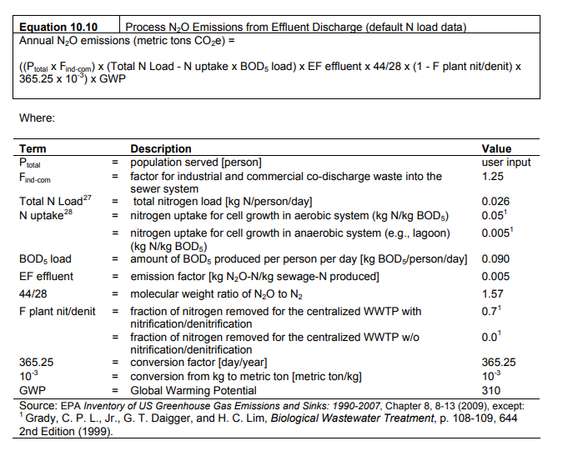
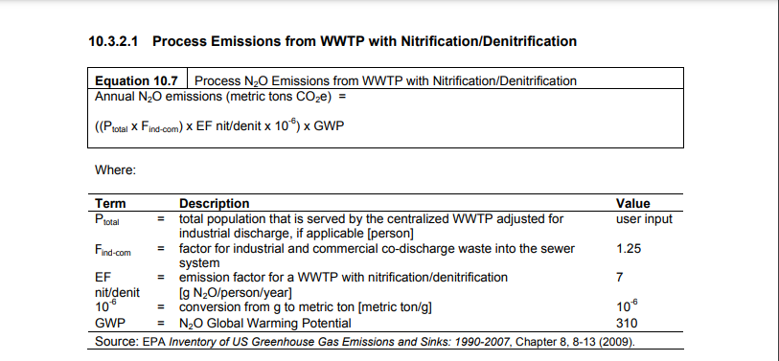

Electric
...
Lawrence
Commercial & Industrial | 22,256 | 19,880 | 21,024 | 18,943 | 19,308 | 20,075 | 22,865 | 22,850 | 20,037 | 19,346 | 19,448 | 20,531 | 246,564 | 5.61 | MWH/Household
Total | 38,255 | 32,827 | 33,459 | 29,011 | 29,070 | 31,511 | 38,057 | 37,257 | 30,754 | 29,587 | 31,542 | 34,142 | 395,470

Worcester
 | Jan | Feb | Mar | Apr | May | June | July | Aug | Sept | Oct | Nov | Dec | Annual
Residential | 47,503 | 38,546 | 37,734 | 29,215 | 27,135 | 29,650 | 38,969 | 35,742 | 27,690 | 28,912 | 34,996 | 40,380 | 416,471 | 71,595 | https://www.census.gov/quickfacts/fact/table/worcestercitymassachusetts,US/HSD410220
Commercial & Industrial | 71,357 | 63,431 | 68,320 | 62,967 | 67,357 | 70,282 | 79,885 | 77,764 | 68,954 | 64,894 | 63,967 | 66,790 | 825,969 | 5.82 | MWH/Household
Total | 118,861 | 101,977 | 106,054 | 92,182 | 94,493 | 99,932 | 118,853 | 113,506 | 96,644 | 93,805 | 98,963 | 107,170 | 1,242,441

Residential Electricity Intensity
Boston | 4.58
Springfield | 7.20
Lawrence | 5.61
Worcester | 5.82

NatGas
...
Worcester
 | Jan | Feb | Mar | Apr | May | June | July | Aug | Sept | Oct | Nov | Dec | Annual
Residential | 7,064,310 | 6,520,305 | 5,600,696 | 3,137,839 | 1,680,349 | 889,180 | 638,950 | 619,813 | 881,115 | 2,174,097 | 4,422,730 | 5,784,622 | 39,414,006 | 71,595 | https://www.census.gov/quickfacts/fact/table/worcestercitymassachusetts,US/HSD410220
Commercial & Industrial | 9,154,000 | 7,996,951 | 7,780,417 | 5,438,450 | 3,915,388 | 3,080,356 | 2,828,222 | 3,007,855 | 3,083,777 | 4,695,661 | 6,599,054 | 8,243,192 | 65,823,323 | 106.28 | MMBtu/Household
Total | 16,218,309 | 14,517,256 | 13,381,114 | 8,576,288 | 5,595,737 | 3,969,535 | 3,467,172 | 3,627,668 | 3,964,893 | 6,869,758 | 11,021,784 | 14,027,814 | 105,237,329

52% | % of homes on Natural Gas
https://www.mass.gov/service-details/how-massachusetts-households-heat-their-homes
Residential Natural Gas Intensity
Boston | 80
Springfield | 122
Lawrence | 153
Worcester | 106

